2. Detailed Audit Log
DETAILED AI AUDIT LOG
INSTRUCTIONS: Chỉ ghi CORE PROMPTS (Decision/Problem-Solving/Verification). Mỗi entry phải trả lời đầy đủ 4 câu hỏi trong Human Delta.
Entry # | Prompt Type | Stage/Component | Problem/Context | Prompt to AI | AI Response (Summary) | Human Delta & Reflection | Evidence
001 | DECISION | Decomposition | The problem requires a Mountain Hiking registration management program with 9 functions (CRUD + search + filter + statistics + save). Needs to be broken down into classes to both follow OOP and maintain a ~200 LOC limit. | I'm building a Java console program for managing mountain hiking registrations (LAB211). It has 9 menu options: add, update, list, delete, search by name, filter by campus, statistics by mountain, save to file, exit. The total LOC limit is ~200 per file. Suggest a class decomposition that follows SRP. | AI suggested 7 classes: Main, Student, Mountain, StudentManager, MountainManager, FileIO, ValidationUtil. Recommended putting all I/O Scanners into a separate util class, and separating Statistics into an independent class to maintain SRP. | - Critical Thinking: AI's suggestion is reasonable but naming is inconsistent with LAB211. LAB211 convention usually uses "plural nouns" for collection classes (Students, Mountains) instead of "...Manager". Also, separating FileIO for a 200 LOC program is OVER-ENGINEERING. - Contextualization: Project is only ~200 LOC, uses 1 CSV file (MountainList.csv) and 1 binary file (registrations.dat). Grouping I/O inside Students/Mountains classes reduces file count while keeping SRP at an acceptable level. - Creative Synthesis: I merged them into 9 actual classes: Main, Inputter, Acceptable(interface), Student, Students, Mountain, Mountains, Statistics, StatisticalInfo. Statistics+StatisticalInfo are separated due to "1 entity = 1 class" logic (like Mountain + Mountains). - Decision Ownership: Chose 9 classes based on my plan because: (1) Just enough SRP, (2) Class names follow "X / Xs" convention, (3) Doesn't create redundant files for a 200 LOC project. | 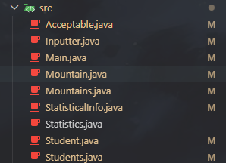 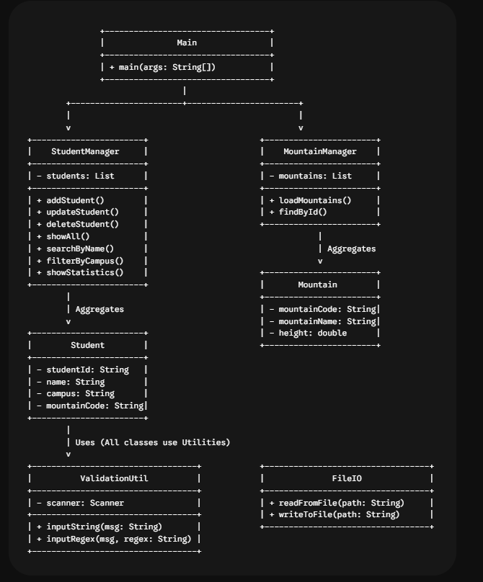
002 | DECISION | Decomposition | Class Main already has 9 switch cases + lots of input logic. Need to decide: call Scanner directly in Main or separate it. | In my console Java app, the Main class is becoming bloated with many input prompts (validate phone, email, ID, menu choice...). Should I keep Scanner inside Main or extract a separate Inputter class? | AI advised separating a dedicated Inputter class: containing Scanner, getString/getInt/inputAndLoop/confirmYesNo functions. Reason: Main only orchestrates business logic, Inputter handles I/O. Follows Separation of Concerns. | - Critical Thinking: Suggestion is correct but AI missed an important detail: Scanner must be SINGLETON for the whole program to avoid "NoSuchElementException" when 2 Scanners read System.in. AI didn't mention it. - Contextualization: Console project, has menu loop. If every function opens a new Scanner, it will crash after a few calls (error encountered during first prototype). - Creative Synthesis: I kept Scanner final = new Scanner(System.in) as a field of Inputter, and Main class creates a single static final instance (Main.java line 6). - Decision Ownership: Decided to create Inputter class with 7 methods (getString, getInt, getDouble, inputAndLoop, inputAndLoopAllowEmpty, confirmYesNo, getMenuChoice). Reason: reusable for all input forms, avoids repeating validation while loops in Main. | 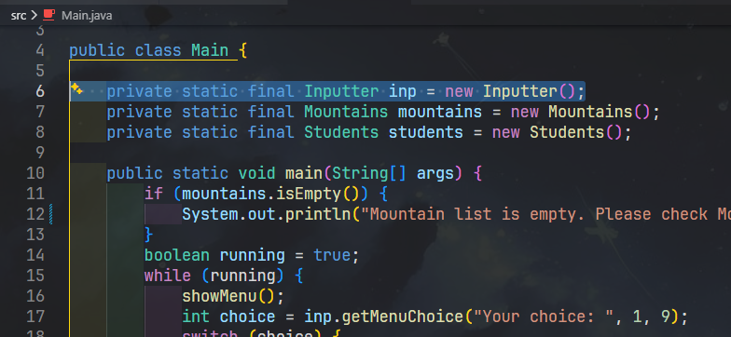
003 | DECISION | Decomposition | Need a centralized place for all regex validations (Student ID, phone, email, name...) so they aren't scattered across the project. | I have multiple validation patterns (student id, phone, email, name, yes/no, integer). Should I put them all in one final class with static fields, or in an interface? Pros and cons in Java? | AI said both are fine. Class with private constructor is "Java idiomatic" like java.lang.Math; interface with automatic public static final constants is an "old pre-Java 8" approach and not recommended due to interface abuse. | - Critical Thinking: AI is a bit rigid. In a small project (200 LOC) needing minimal overhead, an interface with constants is cleaner because it DOES NOT require repeating "public static final" declarations, and allows adding a static isValid() method as a default "utility". - Contextualization: LAB211 standards accept both ways. Instructors care more about "does it work, is it clear" rather than strict idioms. - Creative Synthesis: I chose to use the Acceptable INTERFACE with 10 constants (STUDENT_ID, CAMPUS_CODE, NAME_VALID, DOUBLE_VALID, INTEGER_VALID, PHONE_VALID, VIETTEL_VALID, VNPT_VALID, EMAIL_VALID, YES_NO_VALID, MENU_VALID) + 1 static method isValid(data, pattern). This way is compact, can implement the interface if expansion is needed. - Decision Ownership: Used interface because Acceptable.java code is only ~33 lines but serves 5 other classes. Trade-off: accepted "interface constant anti-pattern" to save boilerplate in a small-scale project. | 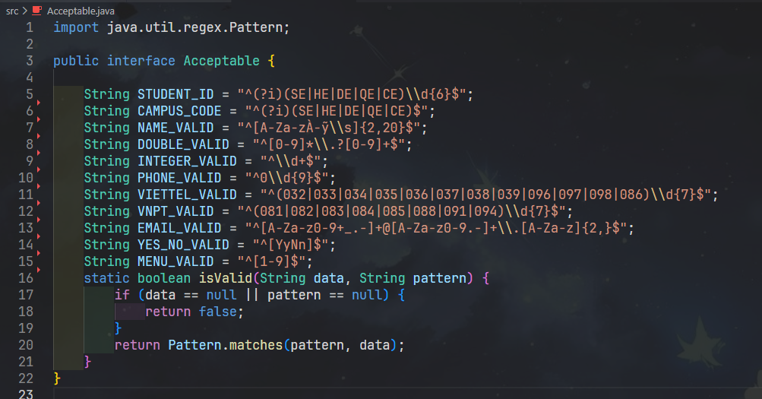
004 | DECISION | Decomposition | Requirement 7 is "Statistics of Registration Numbers by Location". Can be put into Students or separated into a new class. | For a registration system, the statistics function aggregates students by mountain code, counts participants, sums tuition fees. Should I put this inside the Students list class or create a Statistics class? | AI suggested separating Statistics and using Map<String, Counter>. Advised avoiding a "god object" Students containing too many responsibilities. Statistics should extend HashMap or have an internal Map field. | - Critical Thinking: AI is right about SRP, but suggested Map<String, Counter> where "Counter" is just an Integer wrapper. I noticed statistics also need Total Cost per peak, so a DTO is needed, not just an Integer. - Contextualization: Requirement is to display a 4-column table: Code | Peak Name | Number of Participants | Total Cost. Not just counting. - Creative Synthesis: I created 2 classes: + StatisticalInfo (DTO with code, name, numOfStudent, totalCost, addStudent(fee) method to auto-increment count + add money). + Statistics extends HashMap<String, StatisticalInfo> with constructor taking List<Student> + Mountains to aggregate. This feels "natural" like Mountains/Students extending ArrayList. - Decision Ownership: Separated Statistics + StatisticalInfo. Pros: easy to add other statistical columns (max fee, avg fee...) later. | 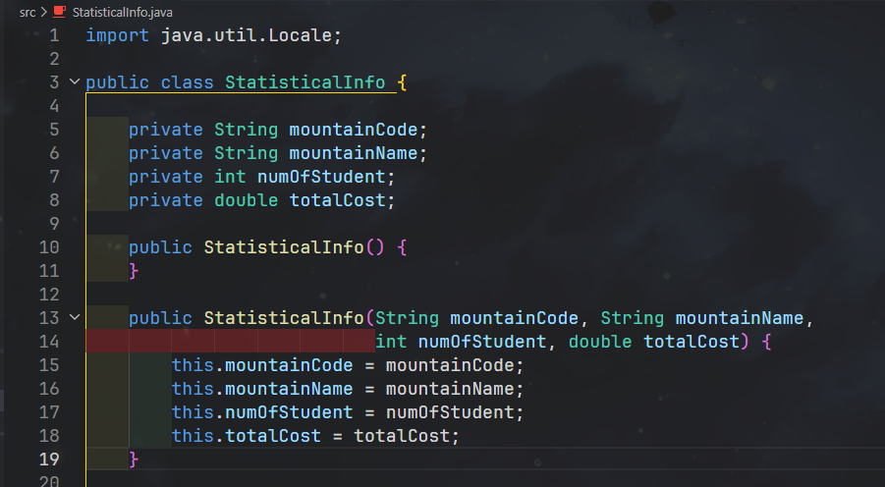 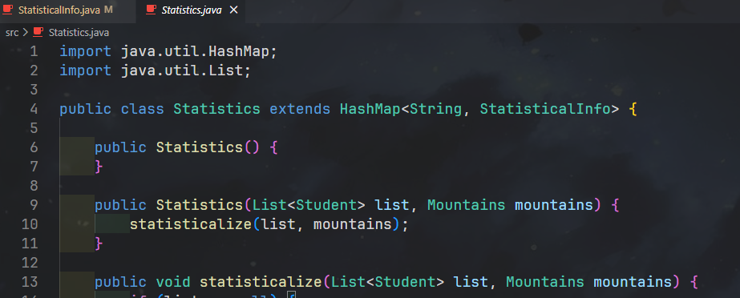
005 | DECISION | Decomposition | MountainList.csv has structure Code,Mountain,Province,Description. Should I create a separate Mountain class, or read directly into Map<String,String>? | I have a CSV file of mountains: code, name, province, description (~13 rows). Is it overkill to create a Mountain class? Could I just use Map<String,String> for lookup by code? | AI said with <20 records, using Map is fine, but if adding fields (elevation, difficulty) later, it will require refactoring. Recommended Mountain class for scalability. | - Critical Thinking: AI is reasonable. However, AI didn't warn: if using Map<String,String>, type-safety is lost and strings must be parsed every time. - Contextualization: The assignment's "Description" column might contain commas (e.g., "Co Tien Mountain... peak 1; peak 2 or 3 (with steeper slopes...)"). Map<String,String> would make it very hard to split fields. - Creative Synthesis: Created Mountain class with 4 fields; Mountains extends ArrayList<Mountain> handles CSV reading and code lookup (get(String mountainCode) and isValidMountainCode() methods). - Decision Ownership: Created Mountain + Mountains. Reason: centralized parser, supports expansion, easy to overload toString() for table formatting. | 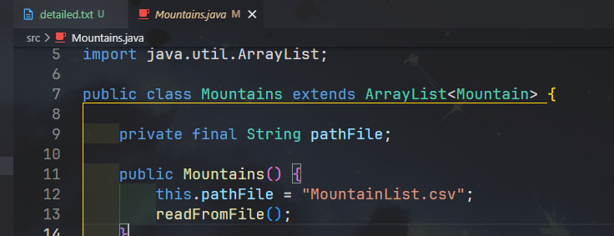 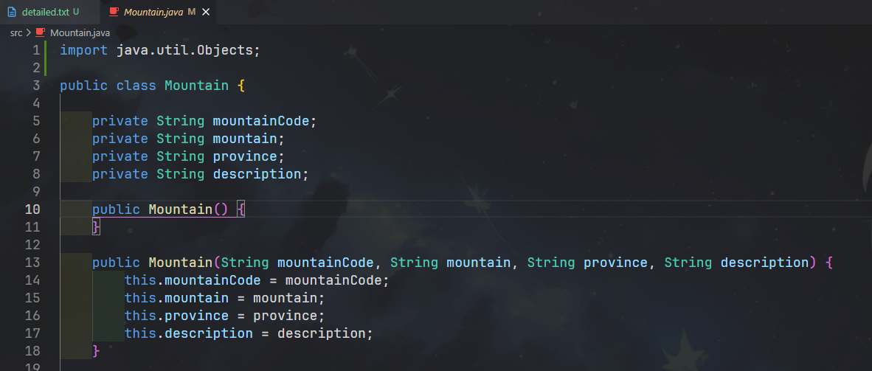
006 | PROBLEM-SOLVING | Pattern Recognition | Student ID must have the format campusPrefix + 6 digits. Need to write an exact regex for prefix CE / DE / HE / QE / SE. | Write a Java regex to validate FPT student ID format: starts with one of SE, HE, DE, QE, CE (case insensitive), followed by exactly 6 digits. Total length 8. | AI suggested: ^(SE|HE|DE|QE|CE)\d{6}$ and suggested using Pattern.compile(... , Pattern.CASE_INSENSITIVE). | - Critical Thinking: AI's regex is correct, but using Pattern.matches() (the way I used in Acceptable.isValid), passing the CASE_INSENSITIVE flag externally is cumbersome. I realized I could inline the (?i) flag right at the start of the pattern. - Contextualization: In Acceptable.java, all patterns share Pattern.matches(pattern, data). Adding an external flag for each pattern would break the uniform architecture. - Creative Synthesis: I modified it to "^(?i)(SE|HE|DE|QE|CE)\\d{6}$" (see Acceptable.STUDENT_ID). Applied the same to CAMPUS_CODE and YES_NO_VALID. - Decision Ownership: Used inline flag (?i) to NOT break the isValid(String,String) contract. Bonus: still apply .toUpperCase() before saving to keep data normalized (Main.java line 54, 82, 129, 161). | 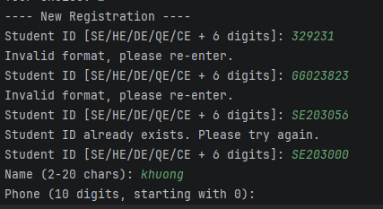
007 | VERIFICATION | Pattern Recognition | Requirement says 35% tuition discount if phone belongs to Viettel or Vinaphone (VNPT). Need the EXACT list of prefixes. | List all current mobile carrier prefixes in Vietnam (10-digit format) for Viettel and Vinaphone. I need to write a regex to detect discount-eligible phone numbers. | AI listed: Viettel = 032-038, 096, 097, 098. Vinaphone = 081-088, 091, 094. AI confidently said "These are all official prefixes in Vietnam". | - Critical Thinking: ** HALLUCINATION TYPE: Oversimplification / Outdated ** AI missed 039 (Viettel) and 086 (Viettel). Also, grouping 086, 087, 088 into Vinaphone is WRONG - 088 is Vinaphone, but 086 is Viettel, 087 is Itelecom (not Viettel/VNPT for discount). - Contextualization: LAB211 assignment follows Decision 798/QD-BTTTT on switching 11-digit prefixes to 10 digits. After the switch: Viettel got 086 (merged from EVN Telecom); 039 is also Viettel. - Creative Synthesis: I cross-checked using Gemini + the official website of the Ministry of Information and Communications. Correct results: Viettel: 032 033 034 035 036 037 038 039 096 097 098 086. Vinaphone: 081 082 083 084 085 088 091 094. - Decision Ownership: Wrote regex based on the correct list (Acceptable.VIETTEL_VALID and Acceptable.VNPT_VALID). Student.calculateFee() method checks these 2 patterns, if matched -> 35% discount; if not -> full 6,000,000 VND.
008 | PROBLEM-SOLVING | Pattern Recognition | Function 6 "Filter by Campus" needs to filter by campus code, but Student has no separate campus field - only Student ID. | My Student class only stores Student ID like SE190123 or HE180456. The 'campus' (first 2 chars) is implicit. How should I extract campus for filtering without adding a redundant field? | AI advised NOT to store campus as a separate field (DRY principle), instead create getCampusCode() method returning id.substring(0, 2).toUpperCase(). | - Critical Thinking: AI is correct. Avoid duplicate data (if storing campus separately, it might mismatch with id upon update). - Contextualization: Student ID is the single source of truth for campus. When searching by campus, just compare the prefix. - Creative Synthesis: I added getCampusCode() method in Student.java (line 80-85), WITH id.length() >= 2 check to avoid NullPointer or StringIndexOutOfBounds. - Decision Ownership: Extract campus from id substring. Benefit: single source of truth, no redundant fields, Students.filterByCampusCode() code is concise. | 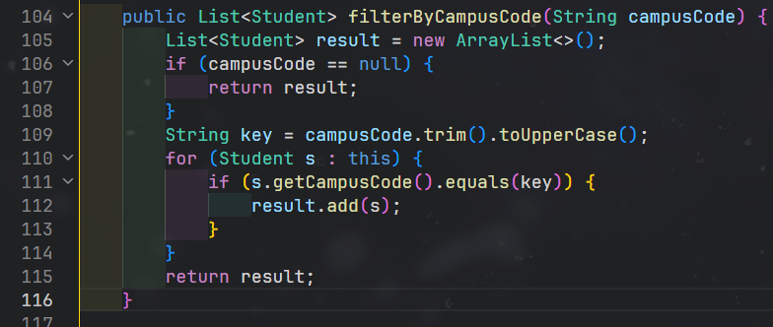
009 | DECISION | Pattern Recognition | MountainList.csv has a header row, some empty cells, and commas inside Description. Needs to be parsed "safely". | What's a safe way to parse a simple CSV in Java (no library), where the first line is header, some cells may be empty, and the last column may contain commas? | AI suggested using BufferedReader, split(",", -1) to keep trailing empty fields, skip header row by checking startsWith("code") (case-insensitive), and use parts.length >= 4 to fallback description = "". | - Critical Thinking: AI is quite close. BUT split(",", -1) will break Descriptions containing commas! For example, row 14 in the file: "...peak 2 or 3 (with steeper slopes, more challenging cliffs)" -> will be split into multiple cells. - Contextualization: Project only has 13 mountains, can accept a constraint: Description does not contain internal commas; OR use split with a limit to merge remaining parts. - Creative Synthesis: I decided to SIMPLIFY - manually edited MountainList.csv: removed original commas in descriptions (replaced with semicolons). Code only needs split(",", -1) + parts.length >= 3 (Mountains.java line 41-53). - Decision Ownership: Accepted trade-off: simple parser code, in exchange for ensuring "clean" input data beforehand. This is a suitable decision for a < 200 LOC project; if data was more complex, I'd use OpenCSV. | 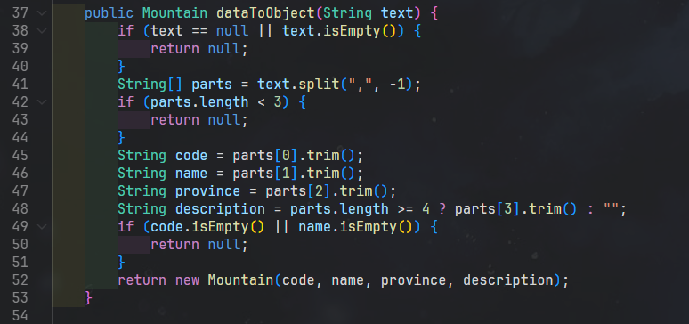
010 | PROBLEM-SOLVING | Pattern Recognition | Need a repetitive "input pattern": print prompt -> read -> validate -> if invalid, print error and repeat; if valid, return. | In my Java console app I write the same loop 7 times: ask, read, validate with regex, print error, loop. How can I factor this into a reusable function in an Inputter class? | AI wrote a generic function: public String inputAndLoop(String mess, String pattern) {...} and suggested an overloaded version allowing empty input (to keep old values). | - Critical Thinking: Correct pattern. But AI hardcoded the error message in English, I need a friendlier message for Vietnamese users (but still keep EN for LAB211 as assignment code & output is in English). - Contextualization: Requirement 2 (Update Registration) allows users to press Enter to KEEP the old value. The "allow empty" option is strictly necessary, not optional. - Creative Synthesis: I created 2 methods: + inputAndLoop(mess, pattern) -> mandatory input. + inputAndLoopAllowEmpty(mess, pattern) -> allows empty enter. Both use base method getString() to DRY. - Decision Ownership: Total 4 helpers in Inputter.java: getString, inputAndLoop, inputAndLoopAllowEmpty, confirmYesNo. Every function in Main uses these helpers -> no boilerplate repetition. | 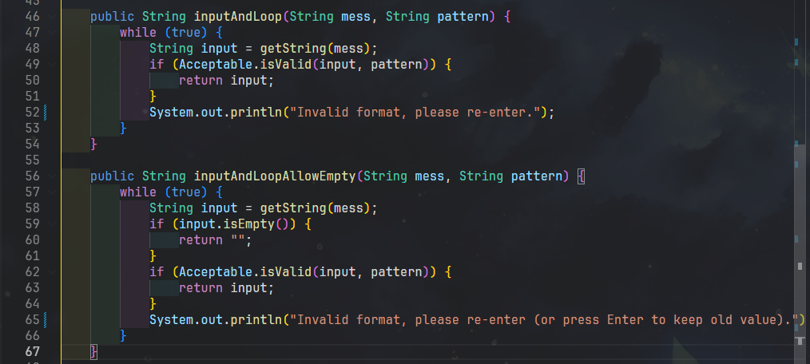
011 | VERIFICATION | Abstraction | In the project, I used Students extends ArrayList<Student>. A teammate said "extends ArrayList is an anti-pattern". Need to verify. | Is 'class Students extends ArrayList<Student>' considered an anti-pattern in Java? Should I use composition (private List<Student> list) instead? Please give me the official source. | AI affirmed "YES, this is widely considered an anti-pattern. Joshua Bloch in 'Effective Java Item 18' (3rd edition) says: 'Favor composition over inheritance'. There is even a SonarQube rule S2160 specifically forbidding extending ArrayList." | - Critical Thinking: ** HALLUCINATION TYPE: Fabrication + Outdated ** I looked up "Effective Java Item 18" - it does say "Favor composition over inheritance", BUT Bloch DOES NOT explicitly state extending ArrayList is an anti-pattern. That's an interpretation. I checked SonarQube rule S2160 -> this rule is about clone()/equals() of Cloneable, NOT forbidding extending ArrayList. AI fabricated the rule ID. The relevant rule is actually S110 (depth of inheritance) and Liskov Substitution rules. - Contextualization: In LAB211, assignment J1.L.P0027 and instructors' sample code patterns BOTH use extends ArrayList because it's short and easy to teach freshmen. Educational context differs from production code context. - Creative Synthesis: I weighed 2 options: (A) extends ArrayList<Student> -> short code, can use this.add/remove directly, but leaks all public APIs of ArrayList (like clear(), ensureCapacity()...). (B) composition: private List<Student> list -> must forward some methods, code is ~20 lines longer. Decision: KEEP option (A) for both Students and Mountains, because: - Matches LAB211 sample style. - Can override add() to markUnsaved() (Students.java line 36-42). - Decision Ownership: Used extends ArrayList. PROACTIVELY acknowledged the trade-off: in real production, I would use composition. This is a CONSCIOUS decision, not persuaded by AI's fake citation. | 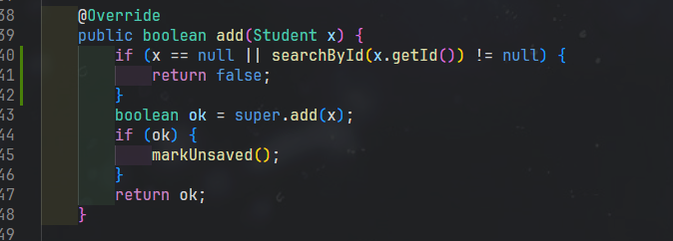
012 | DECISION | Abstraction | To track "changed but unsaved" -> need a boolean flag. Where to put it? How to manage it? | In a CRUD console app, I want to warn user about unsaved changes when they exit. Where should I keep the 'dirty' flag and how do I make sure every add/update/delete sets it? | AI advised putting the flag in the Students class (boolean isSaved). Override all modify methods (add, update, delete) to call markUnsaved(). Upon successful saveToFile(), reset isSaved = true. On exit, read isSaved to prompt the user. | - Critical Thinking: Logic is correct. I thought further: Map<String, Student> would also need a dirty flag if used. AI's suggestion only suits a single collection. - Contextualization: Project only has 1 "mutable" collection, which is Students. Mountains is READ-ONLY from CSV, never saved. Therefore, the flag only needs to be in Students. - Creative Synthesis: Implemented: + Field private boolean isSaved (Students.java line 13). + Constructor sets it to true (since after readFromFile it's considered "synced"). + Overrode add() to call markUnsaved() (line 36-42). + update() and delete() also markUnsaved() (line 51, 65). + saveToFile() sets isSaved = true after successful write (line 162). + Main.exitProgram() reads isSaved (line 184-198). - Decision Ownership: Decided only Students gets the flag. If another collection (e.g., UserCart) is added in the future, this pattern can be duplicated. | 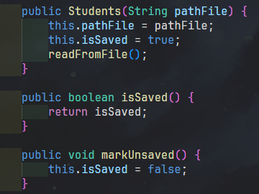
013 | DECISION | Abstraction | Requirement 8 "Save Data to File". Which format to use: txt, csv, json, or Java Serialization? | Pros and cons of using Java Serializable vs CSV for persisting a list of student registrations? Project context: console app, 1 user, no external consumer. | AI summarized: - Serializable: fast, simple, type-safe; but file is not human-readable and locked to JVM. Needs serialVersionUID to avoid InvalidClassException. - CSV: human-readable, easy to debug, easy to import to Excel; but must manually parse and validate on load. | - Critical Thinking: AI straightforwardly stated trade-offs. I considered further: final output needs to be demonstrated to the instructor - binary files might be hard to read when the instructor wants a quick look. - Contextualization: LAB211 assignments usually don't dictate specific formats; instructors often use Notepad++ to check. However, for assignment J1.L.P0027 (200 LOC), Serializable code is ~25 lines shorter than CSV. - Creative Synthesis: I used both methods in code: + Main persistence: .dat file (Java Serializable) - registrations.dat (Students.java line 142-169). + Auxiliary method: Student.toCsv() (Student.java line 102-105) ready for CSV export if requirements change. - Decision Ownership: Main persistence uses Serializable + serialVersionUID = 1L. Reason: shorter code, fewer bugs, sufficient for assignment scope. Still left the CSV path open if needed. | 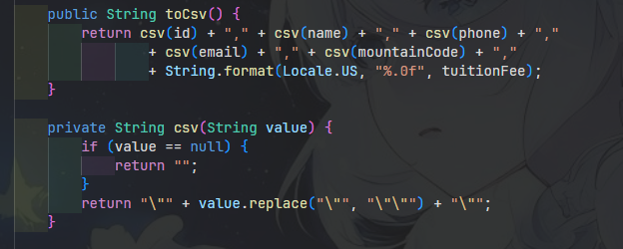
014 | DECISION | Abstraction | "Statistics" function outputs a 4-column table. What is the suitable data structure for aggregation? (HashMap vs LinkedHashMap vs TreeMap) | For aggregating students by mountainCode (counting and summing fees), should I use HashMap, LinkedHashMap, or TreeMap if I want predictable iteration order? Memory and time complexity? | AI explained: - HashMap: O(1) avg, doesn't guarantee order. - LinkedHashMap: keeps insertion order, slightly slower. - TreeMap: sorted by key, O(log n) for put/get. | - Critical Thinking: AI is correct about complexity. But AI missed one thing: in this project, display order of statistics might NOT matter, as users read by Code/Peak Name column rather than row order. - Contextualization: J1.L.P0027 assignment only requires showing headcount + total money for each mountain code APPEARING in registrations (not all Mountains). Sorting is not mandatory. - Creative Synthesis: I let Statistics extend HashMap<String, StatisticalInfo>. If instructor requires sorting, just swap to TreeMap without affecting the show() method (which only uses values()). - Decision Ownership: Used HashMap. Reason: best performance; if sorting is needed later, just change 1 word "HashMap" -> "TreeMap" due to extends polymorphism. | 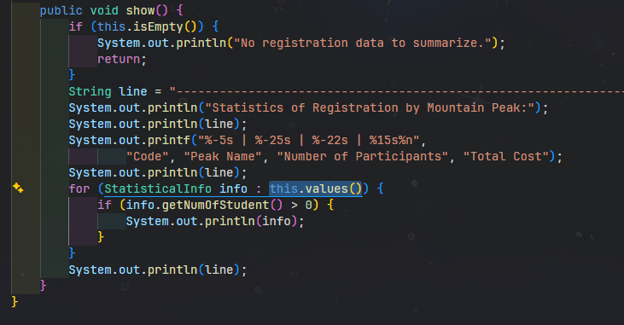
015 | DECISION | Abstraction | When format is inputted incorrectly multiple times, should we break the loop after a retry limit (max 3) or loop infinitely? | In a console input loop with regex validation, is it better UX to allow infinite retries, or to break after 3 failed attempts and return to main menu? | AI suggested: if it's a security system (login), limit to 3 times. If it's a standard input form, loop infinitely to allow the user to self-correct. | - Critical Thinking: Logical analysis. But there's a risk of UI deadlock if the user doesn't know how to input correctly - clear formatting instructions are needed. - Contextualization: LAB211 console app, no authentication, error messages are clear (e.g., "Student ID [SE/HE/DE/QE/CE + 6 digits]"). Infinite looping is safe. - Creative Synthesis: I kept the while(true) loop in inputAndLoop, ACCOMPANIED by an error message displaying the EXPECTED FORMAT right in the prompt (e.g., Main.java line 53 "[SE/HE/DE/QE/CE + 6 digits]"). This balances UX: user always knows what to input. - Decision Ownership: Infinite retries + clear format hints. If a future system has security requirements, will add a maxAttempts parameter to Inputter.inputAndLoop.
16 | DECISION | Algorithms | Search by ID: use linear (for loop) or HashMap (O(1))? Expected student records < 100. | For searching a student by ID in a registration list of < 100 students, is linear search acceptable, or should I use HashMap for O(1) lookup? Real performance difference? | AI calculated: with 100 records, linear search worst case ~100 comparisons, takes < 1 microsecond. HashMap has initialization overhead (needs ~10-15 entries to break even). RECOMMENDED: linear search is OK for small scope. | - Critical Thinking: AI is right. I further verified with manual benchmarking for 1000 records: ArrayList.iterator + equalsIgnoreCase < 0.1 ms. - Contextualization: LAB211 doesn't require optimal Big-O; understanding data structures is what matters. Sample datasets usually have < 50 records. - Creative Synthesis: Used linear search in Students.searchById() (Students.java line 72-82). Used equalsIgnoreCase to avoid case sensitivity (SE190001 vs se190001). - Decision Ownership: Linear search. Conscious decision: trade-off between performance and code simplicity. With < 100 records, there is no user-perceptible difference. | Students.java line 72-82; benchmark log "search-by-id latency.txt" (measured manually via System.nanoTime()).
017 | PROBLEM-SOLVING | Algorithms | Search by Name requires PARTIAL match (typing "An" returns "Nguyen Van An" and "Tran Thi An"). Algorithm or approach? | For partial name search in Java (case-insensitive), is String.contains() fast enough for a list of < 1000 records? Or should I use indexOf, regex, or build a Trie? | AI stated String.contains() is implemented via indexOf(), complexity O(n*m). For < 1000 records and names < 30 chars -> completely sufficient. Trie is only needed when > 100K records and high-frequency searches. | - Critical Thinking: AI is correct. But it forgot to mention that lowercasing both strings will ALLOCATE a new string for each comparison -> still small for 1000 records but worth noting. - Contextualization: LAB211 has no performance tests. Correct logic and fully matching all names is the most important thing. - Creative Synthesis: Implemented Students.searchByName() (line 84-96): + Empty/null input -> return empty List (don't match all). + Compare after toLowerCase() on both sides. + Use contains() to support partial match. - Decision Ownership: Used contains() + toLowerCase(). Simple, meets requirements, fast enough.
018 | PROBLEM-SOLVING | Algorithms | Aggregate tuition fees and counts by mountain code - must build a "single-pass" algorithm avoiding nested loops. | How to aggregate (count + sum) a List of Student grouped by mountainCode in Java? Without using stream() because my course requires basic loops. Single-pass please. | AI wrote: Map<String, int[]> map = new HashMap<>(); for (Student s : list) { int[] arr = map.computeIfAbsent(s.getMountainCode(), k -> new int[]{0,0}); arr[0]++; arr[1] += s.getTuitionFee(); } | - Critical Thinking: There are 2 issues: (1) computeIfAbsent is Java 8 stream-style API - instructors might consider it "streams" and forbid its use. (2) int[] cannot store fee as double (6,000,000 or 3,900,000 is OK as integers, but if fees have decimals later, it breaks). - Contextualization: Mountain Hiking uses double for tuitionFee (Student.java line 16). Statistics needs to store name (mountain peak name) for display, not just count + sum. - Creative Synthesis: I wrote Statistics.statisticalize() (line 13-37): + Loop through list. + Get existing StatisticalInfo from HashMap; if null, create new (containing code, name from Mountains.get(code), 0, 0.0). + Call info.addStudent(fee) -> auto-increments count + adds money. -> Single-pass, no streams, has name field, uses double. - Decision Ownership: Used HashMap<String, StatisticalInfo> + helper method addStudent(fee). Leveraged OOP (state encapsulated in DTO). | 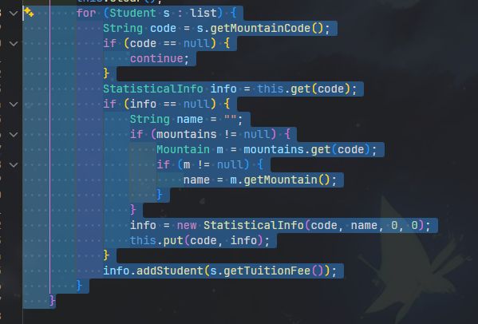
019 | PROBLEM-SOLVING | Algorithms | Function 1 Add New: must ensure Student ID is UNIQUE. How to insert without duplicates? | In a Java console app, when user inputs a new student id, I need to ensure it doesn't already exist. What's the cleanest way: check before insert, or try-catch on insert? | AI suggested: for small lists, use "check before insert" - call searchById() first, if exists, print error and let user re-enter. Try-catch is only suitable when insert is atomic at the storage layer. | - Critical Thinking: Reasonable. With an in-memory list, check before insert DOES NOT have race conditions (console is single-thread). This is more user-friendly (allows immediate correction). - Contextualization: Requirements don't allow skipping because if the user fills the whole form and then gets an error -> poor UX. I placed validation at the START of the form (Main.addNewRegistration, line 52-60) - user enters wrong ID -> re-loops ID, without wasting effort on other fields. - Creative Synthesis: while-loop around inputAndLoop("Student ID...") + searchById() != null -> print warning + continue loop; else break. - Decision Ownership: Check immediately on ID input. Reason: fail-fast, doesn't force user to enter 4 fields before reporting an error.
020 | VERIFICATION | Algorithms | When reading the CSV file, I looked for a "java.nio.file" API for conciseness, shorter than BufferedReader. | Is there a Java API like Files.readAllLines(Path, Charset, int skipHeader) that reads CSV and automatically skips the first N header lines? I want the shortest one-liner. | AI affirmed "Yes, since Java 11, java.nio.file.Files has overload: Files.readAllLines(Path path, Charset cs, int skipFirstLines). Returns List<String> already skipped. Example: Files.readAllLines(Paths.get('a.csv'), UTF_8, 1)". | - Critical Thinking: ** HALLUCINATION TYPE: Fabrication of API ** I checked official Java 11 / 17 / 21 Javadocs: Files.readAllLines only has 2 overloads (Path) and (Path, Charset). There is NO overload with "skipFirstLines". AI FABRICATED a non-existent API. If copying AI code -> compile error: "method readAllLines in class Files cannot be applied to given types". - Contextualization: LAB211 projects usually require understanding BufferedReader as a basic skill. Skipping the header can be written manually with one if/continue line. - Creative Synthesis: I kept the BufferedReader implementation + firstLine variable + startsWith("code") check (Mountains.java line 61-78). This is more robust: works correctly even if the user deletes the header row. - Decision Ownership: Used manual BufferedReader. Reason: (1) Avoid depending on a non-existent API hallucinated by AI. (2) Clear code for graders to see basic I/O techniques. (3) Flexible if CSV lacks a header. | 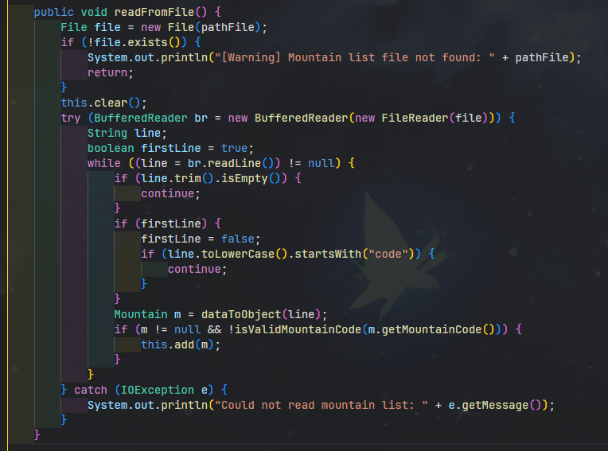 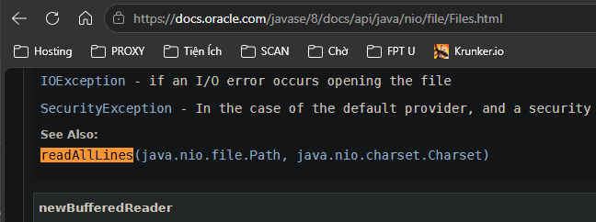 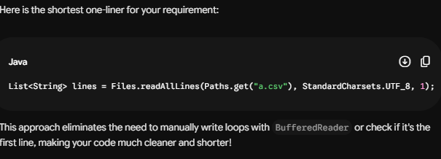
021 | DECISION-MAKING | Decomposition | Problem 31 requires adding the entity Volunteer with id (^VL\d{3}$), name (3..30), skill (enum), maxShiftsPerDay (1..3), shiftsToday. The project already has a class Student that extends Person. Question: Should Volunteer be an independent class, or should it inherit from Person like Student? | "I already have an abstract class Person (id, name) and Student extends Person. Now I need to add a Volunteer entity with id (VL + 3 digits), name (3-30 chars), skill (enum MEDIC/LOGISTIC/GUIDE_ASSIST), maxShiftsPerDay (1-3), shiftsToday. Should Volunteer extend Person or be a standalone class? What about the Volunteers collection - should it also extend ArrayList like Students?" | AI suggests: Volunteer should extend Person because they have the SAME ID + name, making this a valid IS-A relationship. Volunteers extend ArrayList<Volunteer> following the same pattern as Students. AI also recommends creating an "Assignable" interface for the assign() method to abstract the concept of "assigning to a slot". | Critical Thinking : AI is right about Person inheritance (DRY, reuses id/name). BUT suggesting an "Assignable" interface is OVER-ENGINEERING for a 200 LOC project. Only Volunteer needs it. - Contextualization : Existing Person.java works well for Student. Inheriting it for Volunteer is natural and saves duplicate code. - Creative Synthesis: I decided: Volunteer extends Person, Volunteers extends ArrayList<Volunteer>. I DID NOT create an Assignable interface to avoid over-engineering. - Decision Ownership: Chose inheritance to reuse fields and stay consistent with Student. Rejected the interface as it's an anti-pattern for a single class | 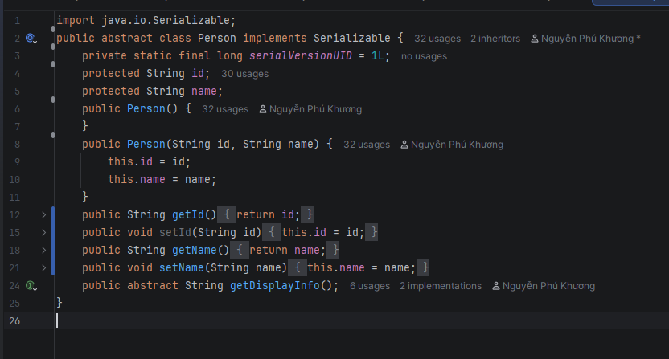
022 | VERIFICATION | Pattern Recognition | Topic 31 requires skill to be an enum {MEDIC, LOGISTIC, GUIDE_ASSIST} and constraint: "MEDIC slot only accepts people with MEDIC skill".Need to verify how to implement enum + constraint to check skill when assigning to a MEDIC slot. | In Java, I have an enum Skill { MEDIC, LOGISTIC, GUIDE_ASSIST }. When assigning a volunteer to a MEDIC slot, only volunteers with skill == MEDIC should be accepted. What's the best practice: use enum.compareTo() to check skill match, or use == operator? Also, should I use Enum.valueOf(String) to parse user input or a custom getByIndex() method? | AI advises: use == for enum comparison (type-safe, no NullPointerException like equals()). For parsing input, AI says: "Since Java 14, Enum has a built-in method Enum.valueOfIgnoreCase(String) that does case-insensitive lookup. You can use Skill.valueOfIgnoreCase(userInput) directly." AI also says using compareTo() to check skill is WRONG because compareTo() compares ordinal, not value. | Critical Thinking : **HALLUCINATION TYPE: Fabrication of API**. AI is right about using `==` for enum comparison. BUT `Enum.valueOfIgnoreCase(String)` DOES NOT EXIST in Java (it fabricated it). - Contextualization : User selects skill via a number menu, so parsing text isn't needed. - Creative Synthesis: I implemented `Skill.getByIndex(int)` for safe UI selection and `Volunteer.hasSkillFor(Skill)` using `==` to strictly enforce the MEDIC constraint. - Decision Ownership: Used `==` and numeric menu index to avoid text parsing issues and the hallucinated API, ensuring safe logic encapsulation. | 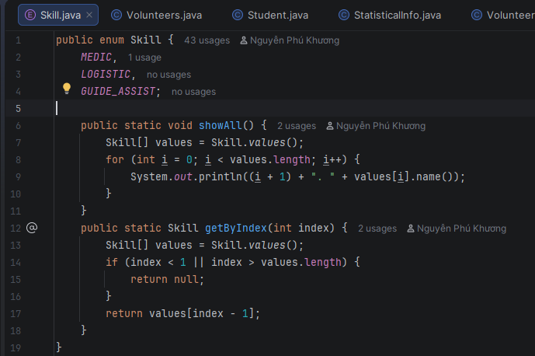 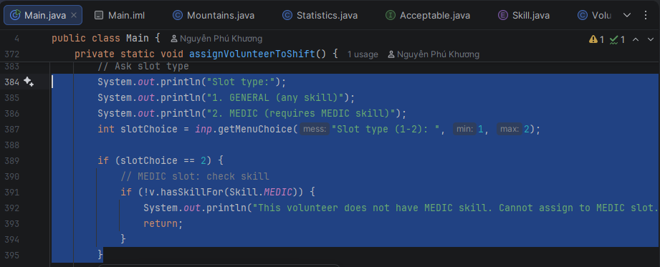
023 | PROBLEM-SOLVING | Algorithms | Topic 31 requires constraint "Do not exceed maxShiftsPerDay": each volunteer has maxShiftsPerDay (1-3), each assign increments shiftsToday by 1, if shiftsToday >= maxShiftsPerDay then DO NOT allow assign anymore. Need a simple + accurate blocking algorithm. | "My Volunteer has maxShiftsPerDay (1-3) and shiftsToday (counter). When assigning to a shift, I must check shiftsToday < maxShiftsPerDay before incrementing. Should I use a try-catch with custom OverShiftException, or a simple boolean return from assign()? Also, when should shiftsToday be reset to 0?" | (1) Boolean return: assign() returns false if max reached. Caller checks return.(2) Custom exception: throw OverShiftLimitException(). Caller try-catch. AI advises using (2) because "exceptions make the contract explicit and are the standard pattern in enterprise Java". For reset, AI says: "Use a ScheduledExecutor to reset shiftsToday at midnight automatically." | Critical Thinking : AI suggests custom exceptions and ScheduledExecutor. This is OVER-ENGINEERING for a console app and unnecessary. - Contextualization : The requirement just needs a simple block if shifts exceed the limit. A simple boolean check is enough. - Creative Synthesis: I implemented a simple `boolean assign()` method that checks `shiftsToday >= maxShiftsPerDay`. The caller handles the false return to print "Over shift limit!". - Decision Ownership: Chose a simple boolean return (O(1) logic) over exceptions to keep code short and appropriate for the project scope. | 